Summary of Changes in Store Net
Home
Summary of changes in our store network

The following tables present certain information regarding changes in our store network over the 12 and 52‑week periods ended April 28, 2024(1)

 | 12-week period ended April 28, 2024
Type of site | Company-operated(2) | CODO(3) | DODO(4) | Franchised and other affiliated(5) | Total
Number of sites, beginning of period | 10,463 | 1,415 | 1,476 | 1,241 | 14,595
Openings / constructions / additions | 25 | — | 7 | 9 | 41
Closures / disposals / withdrawals | (48) | — | (20) | (23) | (91)
Store conversions | 5 | (6) | 1 | — | —
Number of sites, end of period | 10,445 | 1,409 | 1,464 | 1,227 | 14,545
Circle K branded sites under licensing agreements |  |  |  |  | 2,195
Total network |  |  |  |  | 16,740
Number of automated fuel stations included in the period-end figures(6) | 1,171 | — | 92 | — | 1,263

 | 52-week period ended April 28, 2024
Type of site | Company-operated(2) | CODO(3) | DODO(4) | Franchised and other affiliated(5) | Total
Number of sites, beginning of period | 9,983 | 344 | 820 | 1,285 | 12,432
Acquisitions | 548 | 1,083 | 683 | — | 2,314
Openings / constructions / additions | 76 | — | 36 | 57 | 169
Closures / disposals / withdrawals | (174) | (6) | (71) | (119) | (370)
Store conversions | 12 | (12) | (4) | 4 | —
Number of sites, end of period | 10,445 | 1,409 | 1,464 | 1,227 | 14,545
Circle K branded sites under licensing agreements |  |  |  |  | 2,195
Total network |  |  |  |  | 16,740

(1) Stores which are part of Circle K Belgium SA's network are included at 100%, while stores operated through our RDK joint venture are included at 50%.
(2) Sites for which the real estate is controlled by Couche-Tard (through ownership or lease agreements) and for which the stores (and/or the service stations) are operated by Couche-Tard or one of its commission agents. This includes stand alone car wash sites.
(3) Sites for which the real estate is controlled by Couche-Tard (through ownership or lease agreements) and for which the stores (and/or the service stations) are operated by an independent operator in exchange for rent and to which Couche-Tard sometimes provides road transportation fuel through supply contracts. Some of these sites are subject to a franchise agreement, licensing or other similar agreement under one of our main or secondary banners.
(4) Sites controlled and operated by independent operators. Couche-Tard either supplies road transportation fuel through supply contracts or operates the road transportation fuel activities. Some of these sites are subject to a franchise agreement, licensing or other similar agreement under one of our main or secondary banners.
(5) Stores operated by an independent operator through a franchising, licensing or another similar agreement under one of our main or secondary banners.
(6) These sites sell road transportation fuel only.

Statements of Earnings
Home
Consolidated Statements of Earnings
For the fiscal years ended April 28, 2024 and April 30, 2023
(in millions of US dollars, except per share amounts)

 | 2024 | 2023
 | (52 weeks) | (53 weeks)
 | $ | $
Revenues | 69,263.5 | 71,856.7

Cost of sales, excluding depreciation, amortization and impairment | 57,165.6 | 59,804.6
Operating, selling, general and administrative expenses | 6,525.2 | 6,361.8
Loss (gain) on disposal of property and equipment and other assets | 2.4 | (67.6)
Depreciation, amortization and impairment | 1,760.1 | 1,525.9
Operating income | 3,810.2 | 4,232.0

Share of earnings of joint ventures and associated companies | 25.8 | 3.8

Financial expenses | 574.7 | 384.2
Other financial items | (180.6) | (78.2)
Foreign exchange (gain) loss | (6.2) | 0.7
Net financial expenses | 387.9 | 306.7
Earnings before income taxes | 3,448.1 | 3,929.1
Income taxes | 715.9 | 838.2
Net earnings | 2,732.2 | 3,090.9
Net earnings attributable to non-controlling interests | (2.5) | —
Net earnings attributable to shareholders of the Corporation | 2,729.7 | 3,090.9

Net earnings per share
Basic | 2.82 | 3.07
Diluted | 2.82 | 3.06

Statements of Comprehensive Inc
Home
Consolidated Statements of Comprehensive Income
For the fiscal years ended April 28, 2024 and April 30, 2023
(in millions of US dollars)

 | 2024 | 2023
 | (52 weeks) | (53 weeks)
 | $ | $
Net earnings | 2,732.2 | 3,090.9
Other comprehensive loss
Items that may be reclassified subsequently to earnings
Translation adjustments
Change in cumulative translation adjustments(1) | (115.5) | (241.9)
Net changes in fair value and net interest on cross-currency interest rate swaps and currency forwards designated as a hedge of the Corporation’s net investment in some of its foreign operations(2) | 0.8 | (49.2)
Cash flow hedges
Change in fair value of financial instruments(2) | 24.5 | 36.7
Gain realized on financial instruments transferred to earnings(2) | (6.5) | (3.8)
Reclassification adjustment(3) | (28.5) | —
Items that will never be reclassified to earnings
Net actuarial gain(4) | 18.9 | 3.6
Gain (loss) on investments in equity instruments measured at fair value through Other comprehensive loss(5) | 8.2 | (6.1)
Other comprehensive loss | (98.1) | (260.7)
Comprehensive income | 2,634.1 | 2,830.2
Comprehensive income attributable to non-controlling interests | (0.2) | —
Comprehensive income attributable to shareholders of the Corporation | 2,633.9 | 2,830.2

(1) For the fiscal years ended April 28, 2024 and April 30, 2023, these amounts include a loss of $51.6 (net of income taxes recoveries of $3.9) and a loss of $256.2 (net of income taxes recoveries of $36.2), respectively. These losses arise from the translation of debt denominated in foreign currencies and designated as net investment hedges in some of the Corporation's foreign operations.
(2) For the fiscal years ended April 28, 2024 and April 30, 2023, these amounts are net of income tax expenses of $1.8 and $7.9, respectively.
(3) For the fiscal years ended April 28, 2024, this amount is net of income taxes of $4.4.
(4) For the fiscal years ended April 28, 2024 and April 30, 2023, these amounts are net of income tax expenses of $5.7 and $0.9, respectively.
(5) For the fiscal years ended April 28, 2024 and April 30, 2023, these amounts are net of income tax expenses (recoveries) of $1.6 and $(1.0), respectively.

Statements of Cash Flows
Home
Consolidated Statements of Cash Flows
For the fiscal years ended April 28, 2024 and April 30, 2023
(in millions of US dollars)

 | 2024 | 2023
 | (52 weeks) | (53 weeks)
 | $ | $
Operating activities
Net earnings | 2,732.2 | 3,090.9
Adjustments to reconcile net earnings to net cash provided by operating activities
Depreciation, amortization, impairment and amortization of financing costs | 1,765.3 | 1,533.5
Changes in non-cash working capital | 163.1 | (315.4)
Deferred income taxes | 60.5 | 80.9
Settlement of forward starting interest rate swaps | 50.7 | —
Reclassification adjustment | (32.9) | —
Net changes in commodity indexed deposits and fuel swaps | 25.0 | (99.2)
Non-operating foreign exchange (gain) loss | (16.3) | 21.0
Net change in fair value of investments in equity instruments and other financial assets | 8.7 | 30.0
Share of earnings of joint ventures and associated companies, net of dividends received | (2.4) | 20.8
Loss (gain) on disposal of property and equipment and other assets | 2.4 | (67.6)
Other | 60.9 | 49.7
Net cash provided by operating activities | 4,817.2 | 4,344.6

Investing activities
Business acquisitions | (4,297.2) | (847.9)
Purchase of property and equipment, intangible assets and other assets | (1,943.1) | (1,803.8)
Investment in term deposits | (520.9) | —
Proceeds from disposal of investments in equity instruments, share units indexed deposits and from repayments of loans granted to Fire & Flower | 167.6 | 194.2
Purchase of equity instruments, other financial assets and investments and loans related to Fire & Flower | (118.2) | (55.6)
Proceeds from disposal of property and equipment and other assets | 87.1 | 262.1
Settlement of currency forward contracts | 16.6 | —
Change in restricted cash | 4.2 | 5.5
Investment in a joint venture | — | (30.1)
Net cash used in investing activities | (6,603.9) | (2,275.6)

Financing activities
Issuance of senior unsecured notes, net of financing costs | 3,894.5 | —
Increase in acquisition facility | 3,391.9 | —
Repayment of acquisition facility | (3,385.3) | —
Share repurchases | (1,349.4) | (2,392.5)
Net issuance of unsecured commercial paper notes | 549.6 | —
Principal elements of lease payments | (478.9) | (438.9)
Cash dividends paid | (453.0) | (377.7)
Exercise of stock options | 35.8 | 5.3
Net proceeds (payments) on other debts | 0.2 | (1.4)
Repayment of debts on business acquisitions | — | (144.5)
Net cash provided by (used in) financing activities | 2,205.4 | (3,349.7)
Effect of exchange rate fluctuations on cash and cash equivalents | 56.1 | (29.0)
Net increase (decrease) in cash and cash equivalents | 474.8 | (1,309.7)
Cash and cash equivalents, beginning of year | 834.2 | 2,143.9
Cash and cash equivalents, end of year | 1,309.0 | 834.2

Supplemental information:
Interest paid | 491.3 | 353.6
Interest and dividends received | 161.4 | 122.5
Income taxes paid, net | 770.7 | 794.5

Balance Sheets
Home
Consolidated Balance Sheets
As at April 28, 2024 and April 30, 2023
(in millions of US dollars)

 | 2024 | 2023 (adjusted)
 | $ | $
Assets
Current assets
Cash and cash equivalents | 1,309.0 | 834.2
Restricted cash | 9.6 | 13.8
Accounts receivable | 2,929.4 | 2,298.5
Inventories | 2,333.1 | 2,176.0
Prepaid expenses | 144.1 | 151.6
Other short-term financial assets | 559.2 | 95.0
Income taxes receivable | 192.8 | 100.5
 | 7,477.2 | 5,669.6
Property and equipment | 13,923.8 | 11,844.3
Right-of-use assets | 3,963.1 | 3,392.8
Intangible assets | 1,185.8 | 772.5
Goodwill | 9,568.2 | 6,641.4
Other assets | 393.7 | 330.5
Other long-term financial assets | 146.6 | 172.9
Investments in joint ventures and associated companies | 185.7 | 183.4
Deferred income taxes | 98.0 | 51.0
 | 36,942.1 | 29,058.4

Liabilities
Current liabilities
Accounts payable and accrued liabilities | 5,987.9 | 4,499.4
Short-term provisions | 143.6 | 147.9
Other short-term financial liabilities | 54.2 | 0.8
Income taxes payable | 72.1 | 79.6
Short-term debt and current portion of long-term debt | 1,066.8 | 0.7
Current portion of lease liabilities | 503.6 | 438.1
 | 7,828.2 | 5,166.5
Long-term debt | 9,226.5 | 5,888.3
Lease liabilities | 3,674.8 | 3,146.5
Long-term provisions | 819.9 | 647.7
Pension benefit liability | 85.8 | 85.1
Other long-term financial liabilities | 303.3 | 93.8
Deferred credits and other liabilities | 220.1 | 182.1
Deferred income taxes | 1,482.1 | 1,283.9
 | 23,640.7 | 16,493.9

Equity
Capital stock | 644.7 | 614.7
Contributed surplus | 23.2 | 28.8
Retained earnings | 13,616.9 | 12,934.6
Accumulated other comprehensive loss | (1,095.6) | (1,013.6)
Equity attributable to shareholders of the Corporation | 13,189.2 | 12,564.5
Non-controlling interests | 112.2 | —
 | 13,301.4 | 12,564.5
 | 36,942.1 | 29,058.4

Summary of Results
Home
Summary Analysis of Consolidated Results for the Fourth Quarter and Fiscal 2024

The following table highlights certain information regarding our operations for the 12 and 52-week periods ended April 28, 2024, and the 13 and 53-week periods ended April 30, 2023, and the results analysis in this section should be read in conjunction with this table. The results from our operations in Europe and Asia are presented together as Europe and other regions.

 | 12-week period ended | 13-week period ended |  | 52-week period ended | 53-week period ended
(in millions of US dollars, unless otherwise stated) | April 28, 2024 | April 30, 2023 | Variation % | April 28, 2024 | April 30, 2023 | Variation %
Statement of Operations Data:
Merchandise and service revenues(1):
United States | 2,823.2 | 3,006.5 | (6.1) | 12,334.5 | 12,356.0 | (0.2)
Europe and other regions | 769.9 | 585.7 | 31.4 | 2,750.3 | 2,386.7 | 15.2
Canada | 513.6 | 585.7 | (12.3) | 2,451.1 | 2,540.7 | (3.5)
Total merchandise and service revenues | 4,106.7 | 4,177.9 | (1.7) | 17,535.9 | 17,283.4 | 1.5
Road transportation fuel revenues:
United States | 7,208.5 | 7,903.2 | (8.8) | 31,531.1 | 35,232.1 | (10.5)
Europe and other regions | 4,811.7 | 2,548.8 | 88.8 | 13,581.1 | 11,837.7 | 14.7
Canada | 1,278.9 | 1,399.5 | (8.6) | 5,911.0 | 6,342.6 | (6.8)
Total road transportation fuel revenues | 13,299.1 | 11,851.5 | 12.2 | 51,023.2 | 53,412.4 | (4.5)
Other revenues(2):
United States | 16.9 | 11.4 | 48.2 | 45.6 | 43.8 | 4.1
Europe and other regions | 161.9 | 208.4 | (22.3) | 622.9 | 1,067.7 | (41.7)
Canada | 8.1 | 15.2 | (46.7) | 35.9 | 49.4 | (27.3)
Total other revenues | 186.9 | 235.0 | (20.5) | 704.4 | 1,160.9 | (39.3)
Total revenues | 17,592.7 | 16,264.4 | 8.2 | 69,263.5 | 71,856.7 | (3.6)
Merchandise and service gross profit(1)(3):
United States | 961.8 | 1,024.1 | (6.1) | 4,192.6 | 4,172.4 | 0.5
Europe and other regions | 301.5 | 239.3 | 26.0 | 1,079.3 | 925.2 | 16.7
Canada | 179.2 | 199.7 | (10.3) | 833.5 | 841.8 | (1.0)
Total merchandise and service gross profit | 1,442.5 | 1,463.1 | (1.4) | 6,105.4 | 5,939.4 | 2.8
Road transportation fuel gross profit(3):
United States | 821.7 | 1,020.3 | (19.5) | 4,152.5 | 4,375.6 | (5.1)
Europe and other regions | 342.1 | 259.1 | 32.0 | 1,103.7 | 1,034.4 | 6.7
Canada | 123.6 | 125.8 | (1.7) | 560.7 | 546.6 | 2.6
Total road transportation fuel gross profit | 1,287.4 | 1,405.2 | (8.4) | 5,816.9 | 5,956.6 | (2.3)
Other revenues gross profit(2)(3):
United States | 10.3 | 11.4 | (9.6) | 39.0 | 43.8 | (11.0)
Europe and other regions | 34.3 | 21.1 | 62.6 | 106.5 | 82.9 | 28.5
Canada | 7.0 | 7.8 | (10.3) | 30.1 | 29.4 | 2.4
Total other revenues gross profit | 51.6 | 40.3 | 28.0 | 175.6 | 156.1 | 12.5
Total gross profit(3) | 2,781.5 | 2,908.6 | (4.4) | 12,097.9 | 12,052.1 | 0.4
Operating, selling, general and administrative expenses | 1,642.5 | 1,614.6 | 1.7 | 6,525.2 | 6,361.8 | 2.6
Loss (gain) on disposal of property and equipment and other assets | 4.3 | (29.3) | (114.7) | 2.4 | (67.6) | (103.6)
Depreciation, amortization and impairment | 492.5 | 389.6 | 26.4 | 1,760.1 | 1,525.9 | 15.3
Operating income | 642.2 | 933.7 | (31.2) | 3,810.2 | 4,232.0 | (10.0)
Net financial expenses | 139.9 | 99.0 | 41.3 | 387.9 | 306.7 | 26.5
Net earnings | 454.5 | 670.7 | (32.2) | 2,732.2 | 3,090.9 | (11.6)
Net earnings attributable to non-controlling interests | (1.5) | — | (100.0) | (2.5) | — | (100.0)
Net earnings attributable to shareholders of the Corporation | 453.0 | 670.7 | (32.5) | 2,729.7 | 3,090.9 | (11.7)
Per Share Data:
Basic net earnings per share (dollars per share) | 0.47 | 0.68 | (30.9) | 2.82 | 3.07 | (8.1)
Diluted net earnings per share (dollars per share) | 0.47 | 0.68 | (30.9) | 2.82 | 3.06 | (7.8)
Adjusted diluted net earnings per share (dollars per share)(3) | 0.48 | 0.71 | (32.4) | 2.81 | 3.12 | (9.9)

Other Operating Data:
Merchandise and service gross margin(1)(3):
Consolidated | 35.1% | 35.0% | 0.1 | 34.8% | 34.4% | 0.4
United States | 34.1% | 34.1% | - | 34.0% | 33.8% | 0.2
Europe and other regions | 39.2% | 40.9% | (1.7) | 39.2% | 38.8% | 0.4
Canada | 34.9% | 34.1% | 0.8 | 34.0% | 33.1% | 0.9
Growth of (decrease in) same-store merchandise revenues(4)(8):
United States(5)(6) | (0.5%) | 3.3% |  | (0.1%) | 4.3%
Europe and other regions(3)(7) | (2.0%) | 3.0% |  | 0.1% | 3.1%
Canada(5)(6) | (3.4%) | 5.9% |  | 0.9% | 1.2%
Road transportation fuel gross margin(3):
United States (cents per gallon) | 38.79 | 45.34 | (14.4) | 45.28 | 47.51 | (4.7)
Europe and other regions (cents per liter) | 8.30 | 10.60 | (21.7) | 8.73 | 9.98 | (12.5)
Canada (CA cents per liter) | 13.68 | 12.13 | 12.8 | 13.35 | 12.75 | 4.7
Total volume of road transportation fuel sold:
United States (millions of gallons) | 2,118.1 | 2,250.3 | (5.9) | 9,171.7 | 9,209.7 | (0.4)
Europe and other regions (millions of liters) | 4,120.2 | 2,443.7 | 68.6 | 12,640.5 | 10,365.7 | 21.9
Canada (millions of liters) | 1,226.5 | 1,403.6 | (12.6) | 5,665.9 | 5,690.1 | (0.4)
Growth of (decrease in) same-store road transportation fuel volumes(5)(8):
United States | (1.6%) | 0.8% |  | (0.8%) | (1.9%)
Europe and other regions(7) | (1.7%) | (2.4%) |  | (1.5%) | (3.2%)
Canada | (3.5%) | 6.0% |  | 1.6% | (0.1%)

(in millions of US dollars, unless otherwise stated) |  |  |  | As at April 28, 2024 | As at April 30, 2023(9) | Variation $
Balance Sheet Data:
Total assets |  |  |  | 36,942.1 | 29,058.4 | 7,883.7
Interest-bearing debt(3) |  |  |  | 14,471.7 | 9,473.6 | 4,998.1
Equity attributable to shareholders of the Corporation |  |  |  | 13,189.2 | 12,564.5 | 624.7
Indebtedness Ratios(3):
Net interest-bearing debt/total capitalization |  |  |  | 0.50 : 1 | 0.41 : 1
Leverage ratio |  |  |  | 2.21 : 1 | 1.50 : 1
Returns(3)(9):
Return on equity |  |  |  | 21.2% | 24.7%
Return on capital employed |  |  |  | 13.3% | 17.5%

(1) Includes revenues derived from franchise fees, royalties, suppliers' rebates on some purchases made by franchisees and licensees, as well as from wholesale of merchandise. Franchise fees from international licensed stores are presented in the United States.
(2) Includes revenues from the rental of assets and from the sale of energy for stationary engines and aviation fuel.
(3) Please refer to the “Non-IFRS Accounting Standards Measures” section for additional information on our performance measures not defined by IFRS Accounting Standards, as well as our capital management measure.
(4) This measure represents the growth of (decrease in) cumulative merchandise revenues between the current period and comparative period for those stores that were open for at least 23 days out of every 28-day period included in the reported periods. Merchandise revenues are defined as Merchandise and service revenues excluding service revenues.
(5) For company-operated stores only.
(6) Calculated based on respective functional currencies.
(7) Growth of (decrease in) same-store merchandise revenues and growth of (decrease in) same-store road transportation fuel volumes for Europe and other regions do not include results from the acquisition of certain European retail assets from TotalEnergies SE.
(8) Presented on a comparable basis of 12 and 52 weeks.
(9) The information as at April 30, 2023, has been adjusted based on our final estimates of the fair value of assets acquired and liabilities assumed for True Blue Car Wash LLC and Big Red Stores acquisitions.

Non-IFRS Accounting Standards M
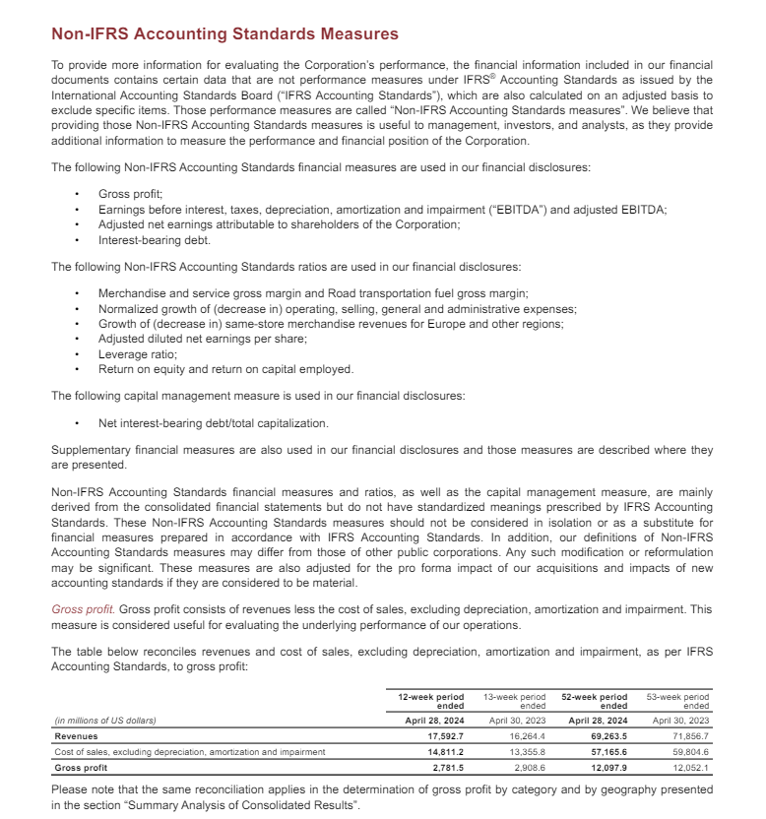
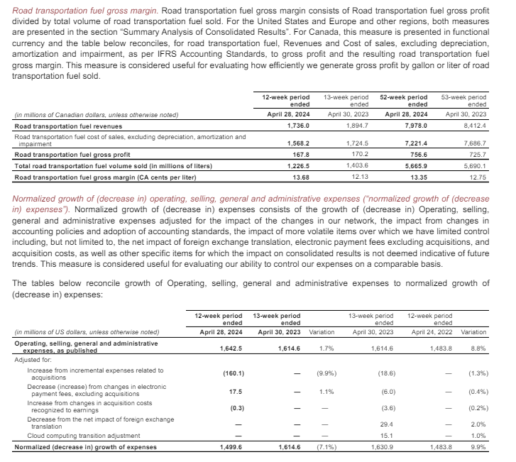
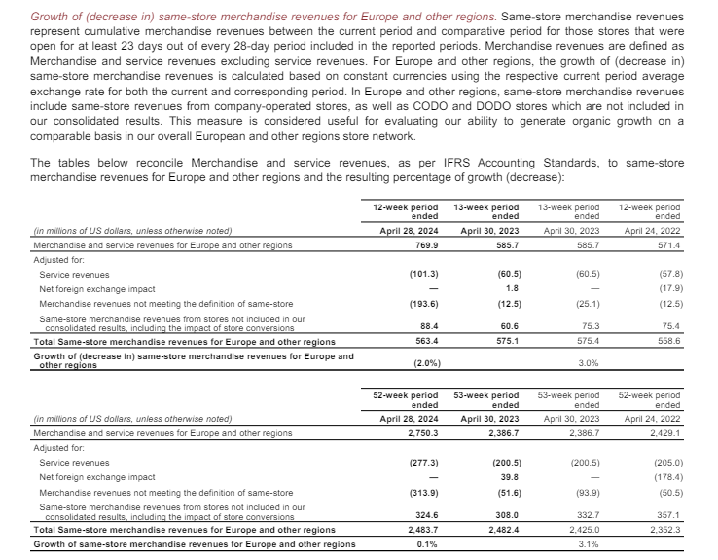
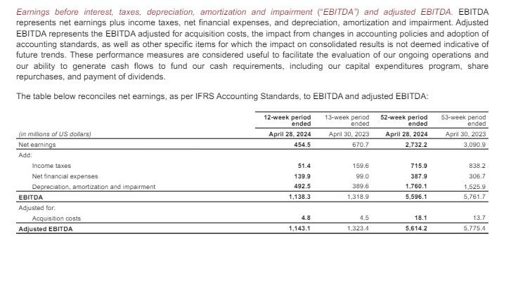
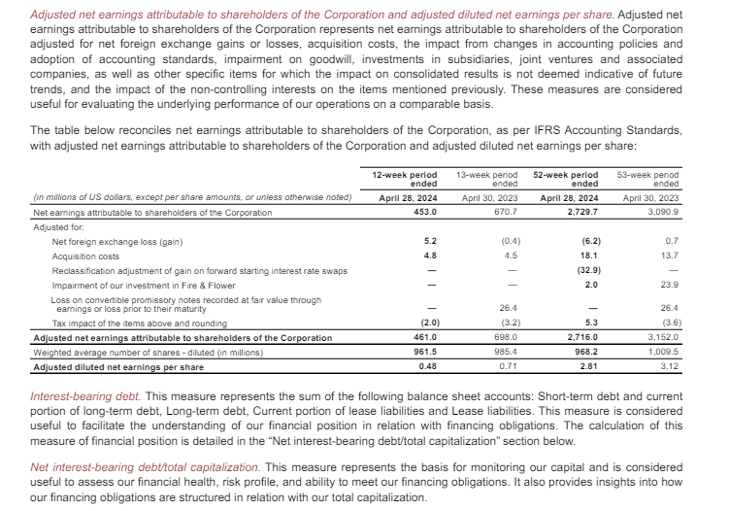
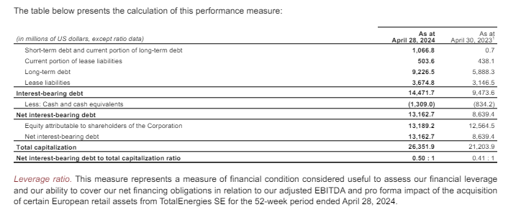
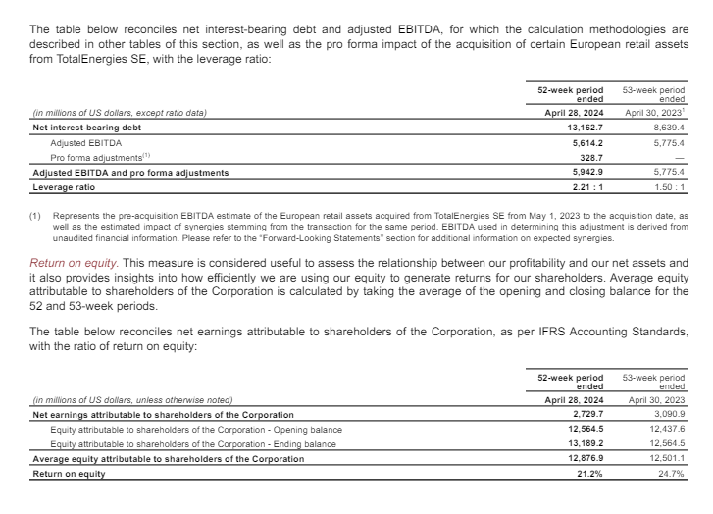
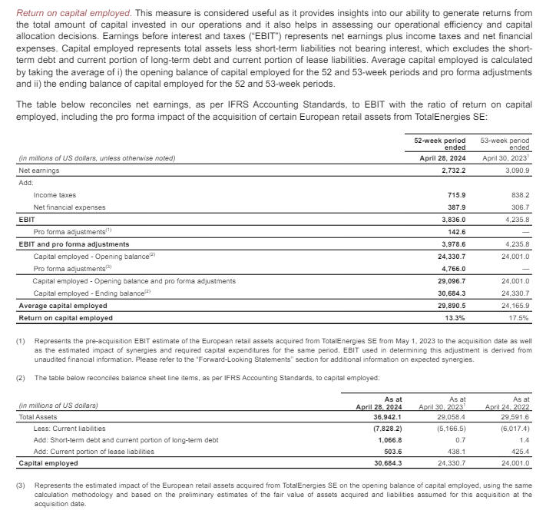
Home

