Summary of Changes in Store Net
Home
Summary of changes in our store network

The following tables present certain information regarding changes in our store network over the 16 and 40‑week periods ended February 4, 2024(1)

 | 16‑week period ended February 4, 2024
Type of site | Company-operated(2) | CODO(3) | DODO(4) | Franchised and other affiliated(5) | Total
Number of sites, beginning of period | 9,938 | 336 | 793 | 1,254 | 12,321
Acquisitions | 538 | 1,083 | 683 | — | 2,304
Openings / constructions / additions | 16 | — | 9 | 19 | 44
Closures / disposals / withdrawals | (30) | (1) | (9) | (34) | (74)
Store conversions | 1 | (3) | — | 2 | —
Number of sites, end of period | 10,463 | 1,415 | 1,476 | 1,241 | 14,595
Circle K branded sites under licensing agreements |  |  |  |  | 2,120
Total network |  |  |  |  | 16,715
Number of automated fuel stations included in the period-end figures(6) | 1,175 | — | 84 | — | 1,259

 | 40-week period ended February 4, 2024
Type of site | Company-operated(2) | CODO(3) | DODO(4) | Franchised and other affiliated(5) | Total
Number of sites, beginning of period | 9,983 | 344 | 820 | 1,285 | 12,432
Acquisitions | 548 | 1,083 | 683 | — | 2,314
Openings / constructions / additions | 51 | — | 29 | 48 | 128
Closures / disposals / withdrawals | (126) | (6) | (51) | (96) | (279)
Store conversions | 7 | (6) | (5) | 4 | —
Number of sites, end of period | 10,463 | 1,415 | 1,476 | 1,241 | 14,595
Circle K branded sites under licensing agreements |  |  |  |  | 2,120
Total network |  |  |  |  | 16,715

(1) Stores which are part of Circle K Belgium SA's network are included at 100%, while stores operated through our RDK joint venture are included at 50%.
(2) Sites for which the real estate is controlled by Couche-Tard (through ownership or lease agreements) and for which the stores (and/or the service stations) are operated by Couche-Tard or one of its commission agents. This includes stand alone car wash sites.
(3) Sites for which the real estate is controlled by Couche-Tard (through ownership or lease agreements) and for which the stores (and/or the service stations) are operated by an independent operator in exchange for rent and to which Couche-Tard sometimes provides road transportation fuel through supply contracts. Some of these sites are subject to a franchise agreement, licensing or other similar agreement under one of our main or secondary banners.
(4) Sites controlled and operated by independent operators. Couche-Tard either supplies road transportation fuel through supply contracts or operates the road transportation fuel activities. Some of these sites are subject to a franchise agreement, licensing or other similar agreement under one of our main or secondary banners.
(5) Stores operated by an independent operator through a franchising, licensing or another similar agreement under one of our main or secondary banners.
(6) These sites sell road transportation fuel only.

Statements of Earnings
Home
Consolidated Statements of Earnings
(in millions of US dollars, except per share amounts, unaudited)

 | 16 weeks |  | 40 weeks
For the periods ended | February 4, 2024 | January 29, 2023 | February 4, 2024 | January 29, 2023
 | $ | $ | $ | $
Revenues | 19,622.0 | 20,055.1 | 51,670.8 | 55,592.3

Cost of sales, excluding depreciation, amortization and impairment | 16,180.5 | 16,654.6 | 42,354.4 | 46,448.8
Operating, selling, general and administrative expenses | 1,975.3 | 1,916.1 | 4,882.7 | 4,747.2
Loss (gain) on disposal of property and equipment and other assets | 1.4 | (4.9) | (1.9) | (38.3)
Depreciation, amortization and impairment | 537.5 | 463.2 | 1,267.6 | 1,136.3
Operating income | 927.3 | 1,026.1 | 3,168.0 | 3,298.3

Share of earnings of joint ventures and associated companies | 3.6 | 0.5 | 22.2 | 8.2

Financial expenses | 190.0 | 121.4 | 403.4 | 280.9
Other financial items | (54.3) | (40.5) | (144.0) | (74.3)
Foreign exchange (gain) loss | (5.4) | 1.6 | (11.4) | 1.1
Net financial expenses | 130.3 | 82.5 | 248.0 | 207.7
Earnings before income taxes | 800.6 | 944.1 | 2,942.2 | 3,098.8
Income taxes | 176.2 | 206.7 | 664.5 | 678.6
Net earnings | 624.4 | 737.4 | 2,277.7 | 2,420.2
Net earnings attributable to non-controlling interests | (1.0) | — | (1.0) | —
Net earnings attributable to shareholders of the Corporation | 623.4 | 737.4 | 2,276.7 | 2,420.2

Net earnings per share
Basic | 0.65 | 0.73 | 2.35 | 2.38
Diluted | 0.65 | 0.73 | 2.35 | 2.38
Weighted average number of shares – basic (in millions) | 962.5 | 1,004.0 | 968.5 | 1,015.6
Weighted average number of shares – diluted (in millions) | 963.8 | 1,005.9 | 970.1 | 1,017.3
Number of shares outstanding at the end of period (in millions) | 961.8 | 990.4 | 961.8 | 990.4

Statements of Comprehensive Inc
Home
Consolidated Statements of Comprehensive Income
(in millions of US dollars, unaudited)

 | 16 weeks |  | 40 weeks
For the periods ended | February 4, 2024 | January 29, 2023 | February 4, 2024 | January 29, 2023
 | $ | $ | $ | $
Net earnings | 624.4 | 737.4 | 2,277.7 | 2,420.2
Other comprehensive income (loss)
Items that may be reclassified subsequently to earnings
Translation adjustments
Change in cumulative translation adjustments(1) | 128.5 | 231.3 | 41.6 | (184.2)
Net changes in fair value and net interest on cross-currency interest rate swaps and currency forwards designated as a hedge of the Corporation’s net investment in some of its foreign operations(2) | 46.1 | 39.6 | 26.3 | (46.6)
Cash flow hedges
Change in fair value of financial instruments(2) | (54.5) | (12.4) | 2.8 | 16.3
Gain realized on financial instruments transferred to earnings(2) | (2.2) | (1.7) | (4.8) | (3.2)
Reclassification adjustment (3) | — | — | (28.5) | —
Items that will never be reclassified to earnings
Net actuarial (loss) gain(4) | (3.8) | (10.8) | 8.7 | 5.6
Gain (loss) on investments in equity instruments measured at fair value through Other comprehensive income (loss)(5) | 3.2 | 9.1 | 10.2 | (8.3)
Other comprehensive income (loss) | 117.3 | 255.1 | 56.3 | (220.4)
Comprehensive income | 741.7 | 992.5 | 2,334.0 | 2,199.8
Comprehensive income attributable to non-controlling interests | (0.6) | — | (0.6) | —
Comprehensive income attributable to shareholders of the Corporation | 741.1 | 992.5 | 2,333.4 | 2,199.8

(1) For the 16 and 40-week periods ended February 4, 2024, these amounts include a gain of $77.3 (net of income tax expenses of $8.5) and a gain of $83.1 (net of income tax expenses of $8.9), respectively. For the 16 and 40-week periods ended January 29, 2023, these amounts include a gain of $42.7 (net of income tax recoveries of $2.1) and a loss of $163.3 (net of income tax recoveries of $10.6), respectively. These gains and losses arise from the translation of debts denominated in foreign currencies and designated as net investment hedges in some of the Corporation's foreign operations.
(2) For the 16 and 40-week periods ended February 4, 2024, these amounts are net of income tax recoveries of $5.1 and $6.3, respectively. For the 16 and 40-week periods ended January 29, 2023, these amounts are net of income tax (recoveries) expenses of $(3.5) and $8.3, respectively.
(3) For the 16 and 40-week periods ended February 4, 2024, these amounts are net of income taxes of nil and $4.4, respectively.
(4) For the 16 and 40-week periods ended February 4, 2024, these amounts are net of income tax (recoveries) expenses of $(0.9) and $2.4, respectively. For the 16 and 40-week periods ended January 29, 2023, these amounts are net of income tax (recoveries) expenses of $(2.9) and $1.4, respectively.
(5) For the 16 and 40-week periods ended February 4, 2024, these amounts are net of income tax expenses of $0.5 and $1.6, respectively. For the 16 and 40-week periods ended January 29, 2023, these amounts are net of income tax expenses (recoveries) of $0.1 and $(1.0), respectively.

Statements of Cash Flows
Home
Consolidated Statements of Cash Flows
(in millions of US dollars, unaudited)

 | 16 weeks |  | 40 weeks
For the periods ended | February 4, 2024 | January 29, 2023 | February 4, 2024 | January 29, 2023
 | $ | $ | $ | $
Operating activities
Net earnings | 624.4 | 737.4 | 2,277.7 | 2,420.2
Adjustments to reconcile net earnings to net cash provided by operating activities
Depreciation, amortization, impairment and amortization of financing costs | 535.9 | 466.0 | 1,267.9 | 1,141.1
Changes in non-cash working capital | (207.0) | (568.0) | (343.9) | (682.1)
Deferred income taxes | 63.7 | (3.4) | 85.7 | 43.2
Non-operating foreign exchange (gain) loss | (40.7) | (18.3) | (35.9) | 63.5
Net changes in commodity indexed deposits and fuel swaps | (30.6) | 30.1 | 23.4 | (85.4)
Share of earnings of joint ventures and associated companies, net of dividends received | 2.7 | 4.1 | (2.0) | 13.0
Loss (gain) on disposal of property and equipment and other assets | 1.4 | (4.9) | (1.9) | (38.3)
Reclassification adjustment | — | — | (32.9) | —
Other | 25.0 | 10.9 | 59.7 | 46.5
Net cash provided by operating activities | 974.8 | 653.9 | 3,297.8 | 2,921.7

Investing activities
Business acquisitions | (4,250.3) | (14.5) | (4,295.5) | (224.8)
Purchase of property and equipment, intangible assets and other assets | (612.6) | (545.1) | (1,325.7) | (1,205.1)
Proceeds from disposal of investments in equity instruments and from repayments of loans granted to Fire & Flower | 136.2 | — | 151.9 | 124.5
Settlement of currency forward contracts | 16.6 | — | 16.6 | —
Proceeds from disposal of property and equipment and other assets | 7.9 | 26.4 | 45.5 | 105.9
Change in restricted cash | (3.8) | 1.0 | 4.3 | 12.7
Purchase of equity instruments, other financial assets and investments and loans related to Fire & Flower | (0.1) | (24.5) | (118.2) | (52.6)
Investment in term deposits | — | — | (520.9) | —
Investment in a joint venture | — | — | — | (30.1)
Net cash used in investing activities | (4,706.1) | (556.7) | (6,042.0) | (1,269.5)

Financing activities
Increase in acquisition facility | 3,391.9 | — | 3,391.9 | —
Repayment of acquisition facility | (369.6) | — | (369.6) | —
Issuance of Canadian-dollar-denominated senior unsecured notes, net of financing costs | 369.4 | — | 961.3 | —
Net issuance of unsecured commercial paper notes | 343.8 | — | 654.1 | —
Share repurchases | (175.9) | (1,204.9) | (1,078.8) | (1,928.0)
Principal elements of lease payments | (162.2) | (120.5) | (377.5) | (328.0)
Cash dividends paid | (126.2) | (103.9) | (330.6) | (275.5)
Exercise of stock options | 21.0 | 0.2 | 33.0 | 1.0
Net proceeds (payments) on other debts | 0.6 | (0.5) | 0.4 | (53.3)
Net cash provided by (used in) financing activities | 3,292.8 | (1,429.6) | 2,884.2 | (2,583.8)
Effect of exchange rate fluctuations on cash and cash equivalents | 38.1 | 9.6 | 30.1 | (78.8)
Net (decrease) increase in cash and cash equivalents | (400.4) | (1,322.8) | 170.1 | (1,010.4)
Cash and cash equivalents, beginning of period | 1,404.7 | 2,456.3 | 834.2 | 2,143.9
Cash and cash equivalents, end of period (including $31.8 of bank overdrafts recorded under Other short-term financial liabilities as at February 4, 2024) | 1,004.3 | 1,133.5 | 1,004.3 | 1,133.5

Supplemental information:
Interest paid | 191.7 | 143.1 | 396.1 | 304.1
Interest and dividends received | 51.9 | 44.9 | 130.4 | 93.0
Income taxes paid, net | 295.6 | 365.2 | 680.4 | 533.0

Balance Sheets
Home
Consolidated Balance Sheets
(in millions of US dollars, unaudited)

 | As at February 4, 2024 | As at April 30, 2023 (adjusted)
 | $ | $
Assets
Current assets
Cash and cash equivalents | 1,036.1 | 834.2
Restricted cash | 9.5 | 13.8
Accounts receivable | 2,776.5 | 2,298.5
Inventories | 2,389.6 | 2,176.0
Prepaid expenses | 125.7 | 151.6
Other short-term financial assets | 636.2 | 95.0
Income taxes receivable | 114.5 | 100.5
 | 7,088.1 | 5,669.6
Property and equipment | 13,285.1 | 11,873.2
Right-of-use assets | 3,964.2 | 3,392.8
Intangible assets | 876.0 | 772.5
Goodwill | 10,235.7 | 6,612.5
Other assets | 378.5 | 330.5
Other long-term financial assets | 151.1 | 172.9
Investments in joint ventures and associated companies | 185.6 | 183.4
Deferred income taxes | 79.3 | 51.0
 | 36,243.6 | 29,058.4

Liabilities
Current liabilities
Accounts payable and accrued liabilities | 5,287.9 | 4,499.4
Short-term provisions | 145.0 | 147.9
Other short-term financial liabilities | 100.2 | 0.8
Income taxes payable | 7.1 | 79.6
Short-term debt and current portion of long-term debt | 2,162.9 | 0.7
Current portion of lease liabilities | 503.2 | 438.1
 | 8,206.3 | 5,166.5
Long-term debt | 8,376.0 | 5,888.3
Lease liabilities | 3,648.5 | 3,146.5
Long-term provisions | 685.8 | 647.7
Pension benefit liability | 90.0 | 85.1
Other long-term financial liabilities | 299.8 | 93.8
Deferred credits and other liabilities | 209.7 | 182.1
Deferred income taxes | 1,378.3 | 1,283.9
 | 22,894.4 | 16,493.9

Equity
Capital stock | 644.4 | 614.7
Contributed surplus | 23.2 | 28.8
Retained earnings | 13,578.5 | 12,934.6
Accumulated other comprehensive loss | (946.6) | (1,013.6)
Equity attributable to shareholders of the Corporation | 13,299.5 | 12,564.5
Non-controlling interests | 49.7 | —
 | 13,349.2 | 12,564.5
 | 36,243.6 | 29,058.4

For prior year adjustment, please refer to note 1 of the financial statements.

Summary of Results
Home
Summary Analysis of Consolidated Results

The following table highlights certain information regarding our operations for the 16 and 40‑week periods ended February 4, 2024 and January 29, 2023, and the results analysis in this section should be read in conjunction with this table. The results from our operations in Europe and Asia are presented together as Europe and other regions.

 | 16‑week periods ended |  |  | 40-week periods ended
(in millions of US dollars, unless otherwise stated) | February 4, 2024 | January 29, 2023 | Variation % | February 4, 2024 | January 29, 2023 | Variation %
Statement of Operations Data:
Merchandise and service revenues(1):
United States | 3,569.3 | 3,541.6 | 0.8 | 9,511.3 | 9,349.5 | 1.7
Europe and other regions | 787.5 | 713.0 | 10.4 | 1,980.4 | 1,801.0 | 10.0
Canada | 682.8 | 706.6 | (3.4) | 1,937.5 | 1,955.0 | (0.9)
Total merchandise and service revenues | 5,039.6 | 4,961.2 | 1.6 | 13,429.2 | 13,105.5 | 2.5
Road transportation fuel revenues:
United States | 8,737.7 | 9,411.5 | (7.2) | 24,322.6 | 27,328.9 | (11.0)
Europe and other regions | 3,918.5 | 3,475.5 | 12.7 | 8,769.4 | 9,288.9 | (5.6)
Canada | 1,676.8 | 1,828.2 | (8.3) | 4,632.1 | 4,943.1 | (6.3)
Total road transportation fuel revenues | 14,333.0 | 14,715.2 | (2.6) | 37,724.1 | 41,560.9 | (9.2)
Other revenues(2):
United States | 11.0 | 14.2 | (22.5) | 28.7 | 32.4 | (11.4)
Europe and other regions | 227.5 | 343.2 | (33.7) | 461.0 | 859.3 | (46.4)
Canada | 10.9 | 21.3 | (48.8) | 27.8 | 34.2 | (18.7)
Total other revenues | 249.4 | 378.7 | (34.1) | 517.5 | 925.9 | (44.1)
Total revenues | 19,622.0 | 20,055.1 | (2.2) | 51,670.8 | 55,592.3 | (7.1)
Merchandise and service gross profit(1)(3):
United States | 1,179.8 | 1,175.5 | 0.4 | 3,230.8 | 3,148.3 | 2.6
Europe and other regions | 309.0 | 266.1 | 16.1 | 777.8 | 685.9 | 13.4
Canada | 233.5 | 228.2 | 2.3 | 654.3 | 642.1 | 1.9
Total merchandise and service gross profit | 1,722.3 | 1,669.8 | 3.1 | 4,662.9 | 4,476.3 | 4.2
Road transportation fuel gross profit(3):
United States | 1,191.8 | 1,265.9 | (5.9) | 3,330.8 | 3,355.3 | (0.7)
Europe and other regions | 311.2 | 252.8 | 23.1 | 761.6 | 775.3 | (1.8)
Canada | 162.6 | 163.5 | (0.6) | 437.1 | 420.8 | 3.9
Total road transportation fuel gross profit | 1,665.6 | 1,682.2 | (1.0) | 4,529.5 | 4,551.4 | (0.5)
Other revenues gross profit(2)(3):
United States | 11.0 | 14.2 | (22.5) | 28.7 | 32.4 | (11.4)
Europe and other regions | 33.3 | 23.6 | 41.1 | 72.2 | 61.8 | 16.8
Canada | 9.3 | 10.7 | (13.1) | 23.1 | 21.6 | 6.9
Total other revenues gross profit | 53.6 | 48.5 | 10.5 | 124.0 | 115.8 | 7.1
Total gross profit(3) | 3,441.5 | 3,400.5 | 1.2 | 9,316.4 | 9,143.5 | 1.9
Operating, selling, general and administrative expenses | 1,975.3 | 1,916.1 | 3.1 | 4,882.7 | 4,747.2 | 2.9
Loss (Gain) on disposal of property and equipment and other assets | 1.4 | (4.9) | (128.6) | (1.9) | (38.3) | (95.0)
Depreciation, amortization and impairment | 537.5 | 463.2 | 16.0 | 1,267.6 | 1,136.3 | 11.6
Operating income | 927.3 | 1,026.1 | (9.6) | 3,168.0 | 3,298.3 | (4.0)
Net financial expenses | 130.3 | 82.5 | 57.9 | 248.0 | 207.7 | 19.4
Net earnings | 624.4 | 737.4 | (15.3) | 2,277.7 | 2,420.2 | (5.9)
Net earnings attributable to non-controlling interests | (1.0) | — | (100.0) | (1.0) | — | (100.0)
Net earnings attributable to shareholders of the Corporation | 623.4 | 737.4 | (15.5) | 2,276.7 | 2,420.2 | (5.9)
Per Share Data:
Basic net earnings per share (dollars per share) | 0.65 | 0.73 | (11.0) | 2.35 | 2.38 | (1.3)
Diluted net earnings per share (dollars per share) | 0.65 | 0.73 | (11.0) | 2.35 | 2.38 | (1.3)
Adjusted diluted net earnings per share (dollars per share)(3) | 0.65 | 0.74 | (12.2) | 2.32 | 2.41 | (3.7)

Other Operating Data:
Merchandise and service gross margin(1)(3):
Consolidated | 34.2% | 33.7% | 0.5 | 34.7% | 34.2% | 0.5
United States | 33.1% | 33.2% | (0.1) | 34.0% | 33.7% | 0.3
Europe and other regions | 39.2% | 37.3% | 1.9 | 39.3% | 38.1% | 1.2
Canada | 34.2% | 32.3% | 1.9 | 33.8% | 32.8% | 1.0
Growth of (decrease in) same-store merchandise revenues(4):
United States(5)(6) | (1.5%) | 4.8% |  | —% | 4.6%
Europe and other regions(3)(7) | (0.3%) | 3.5% |  | 0.7% | 3.1%
Canada(5)(6) | (1.2%) | 2.3% |  | 2.1% | (0.1%)
Road transportation fuel gross margin(3):
United States (cents per gallon) | 43.19 | 46.85 | (7.8) | 47.22 | 48.21 | (2.1)
Europe and other regions (cents per liter) | 8.56 | 8.01 | 6.9 | 8.94 | 9.79 | (8.7)
Canada (CA cents per liter) | 12.99 | 12.52 | 3.8 | 13.27 | 12.96 | 2.4
Total volume of road transportation fuel sold:
United States (millions of gallons) | 2,759.2 | 2,702.2 | 2.1 | 7,053.6 | 6,959.4 | 1.4
Europe and other regions (millions of liters) | 3,634.8 | 3,157.0 | 15.1 | 8,520.3 | 7,922.0 | 7.6
Canada (millions of liters) | 1,696.9 | 1,769.0 | (4.1) | 4,439.4 | 4,286.5 | 3.6
Growth of (decrease in) same-store road transportation fuel volumes(5):
United States | (0.8%) | (2.3%) |  | (0.6%) | (2.7%)
Europe and other regions(7) | (1.9%) | (1.2%) |  | (1.5%) | (3.5%)
Canada | 0.2% | 0.5% |  | 3.1% | (1.8%)

(in millions of US dollars, unless otherwise stated) |  |  |  | As at February 4, 2024 | As at April 30, 2023(8) | Variation $
Balance Sheet Data:
Total assets |  |  |  | 36,243.6 | 29,058.4 | 7,185.2
Interest-bearing debt(3) |  |  |  | 14,690.6 | 9,473.6 | 5,217.0
Equity attributable to shareholders of the Corporation |  |  |  | 13,299.5 | 12,564.5 | 735.0
Indebtedness Ratios(3):
Net interest-bearing debt/total capitalization |  |  |  | 0.51 : 1 | 0.41 : 1
Leverage ratio |  |  |  | 2.19 : 1 | 1.50 : 1
Returns(3):
Return on equity |  |  |  | 23.2% | 24.7%
Return on capital employed |  |  |  | 14.9% | 17.5%

(1) Includes revenues derived from franchise fees, royalties, suppliers' rebates on some purchases made by franchisees and licensees, as well as from wholesale of merchandise. Franchise fees from international licensed stores are presented in the United States.
(2) Includes revenues from the rental of assets and from the sale of aviation fuel and energy for stationary engines.
(3) Please refer to the “Non-IFRS Accounting Standards Measures” section for additional information on our performance measures not defined by IFRS Accounting Standards, as well as our capital management measure.
(4) This measure represents the growth of (decrease in) cumulated merchandise revenues between the current period and comparative period for those stores that were open for at least 23 days out of every 28-day period included in the reported periods. Merchandise revenues are defined as Merchandise and service revenues excluding service revenues.
(5) For company-operated stores only.
(6) Calculated based on respective functional currencies.
(7) Growth of (decrease in) same-store merchandise revenues and growth of (decrease in) same-store road transportation fuel volumes for Europe and other regions do not include results from the acquisition of certain European retail assets from TotalEnergies SE.
(8) The information as at April 30, 2023, has been adjusted based on our final estimates of the fair value of the assets acquired and liabilities assumed for the acquisition of True Blue Car Wash LLC.

Non-IFRS measures
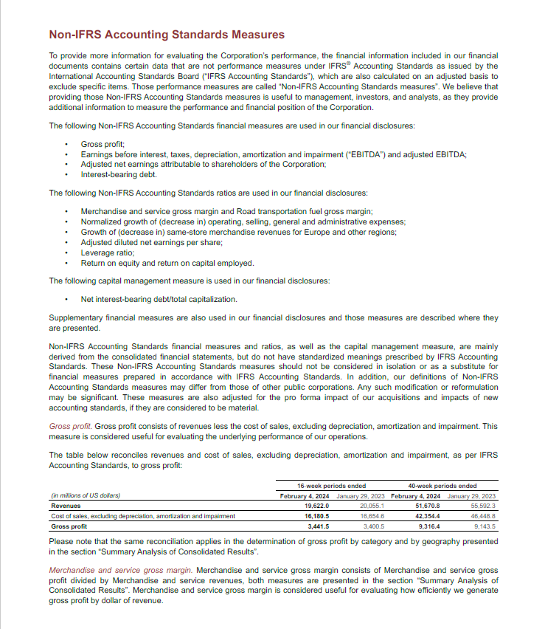
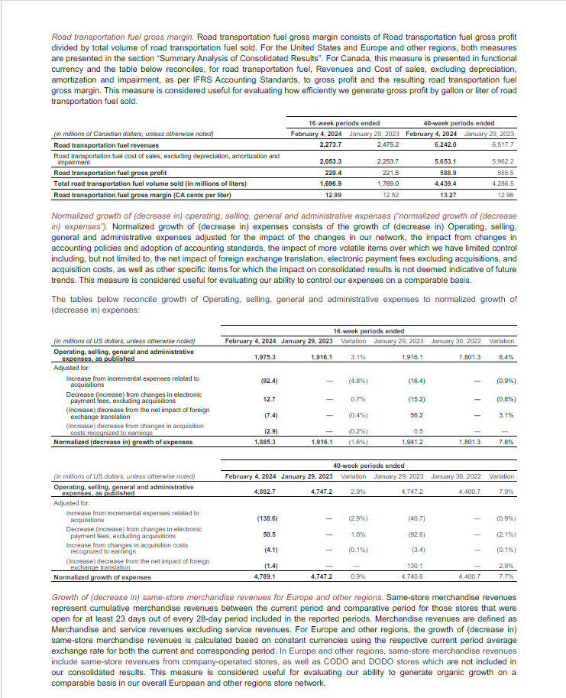
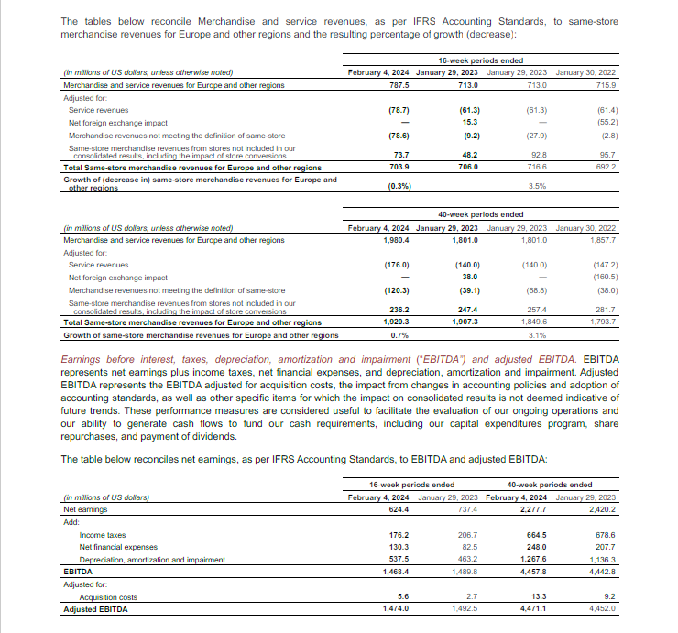
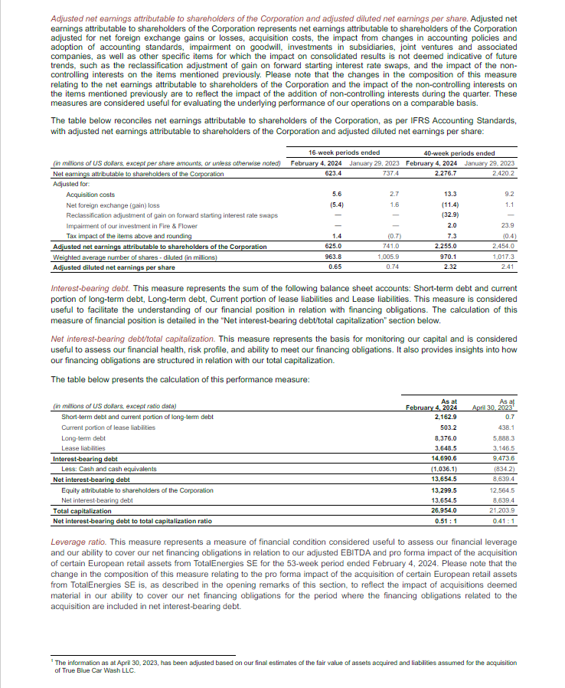
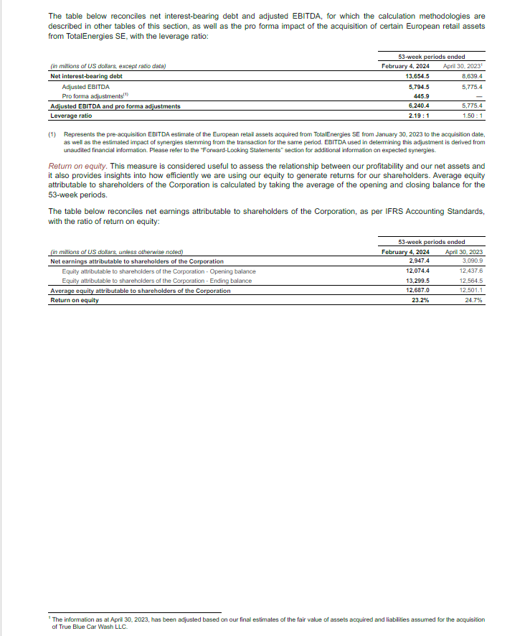
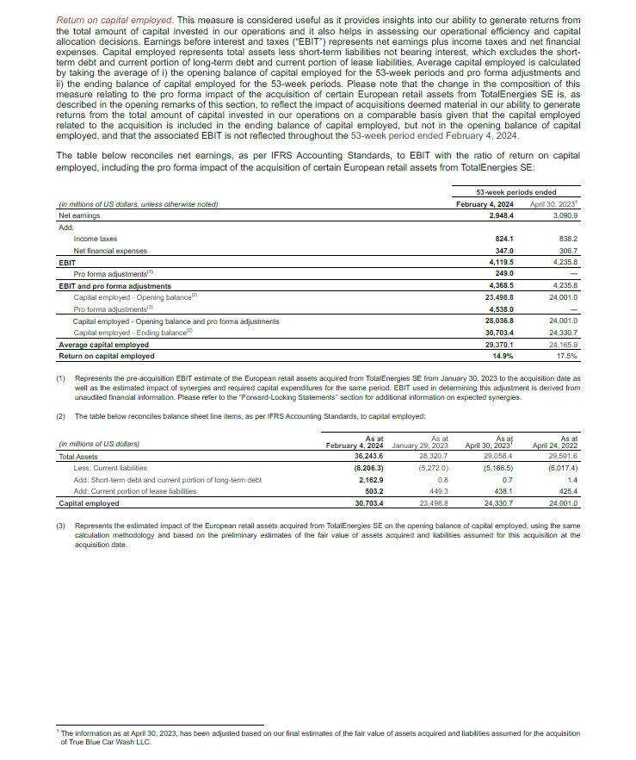
Home

